Sheet1
How to conduct inventory :

Step 1 : | Go to QuickBook Point of Sales (QB BOS) Software/Application.

Step 2 : | Open the QB POS Log in to Openmarket ( Password is : 1111 )

Step 3 : | After you open QB POS you need to proceed to REPORT

Step 4 : | After clicking REPORT proceed to REPORT CENTER

 | Find FULL ITEM LIST and click it.

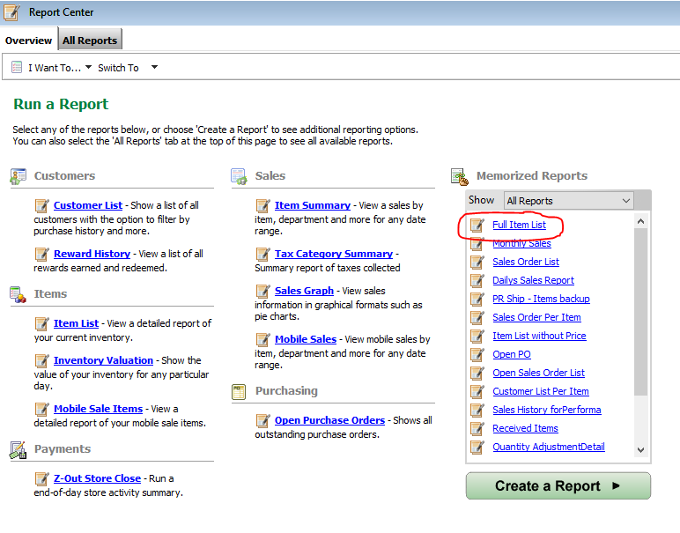

Step 5 : | After it finished loading Click the EXCEL TAB to save it to your desktop this will we needed for our Quick Inventory Software.

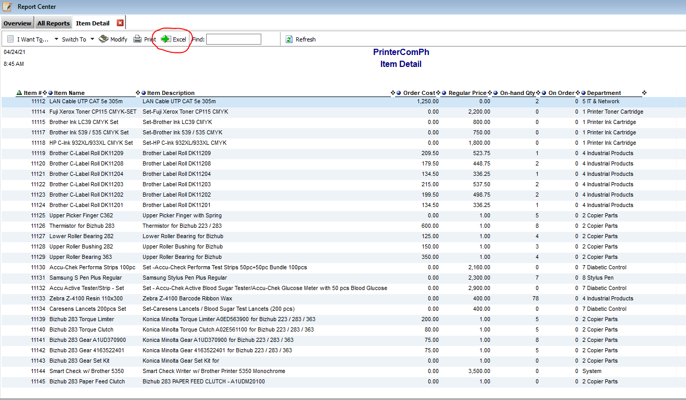

Step 6 : | After your exported Full Item List from QB POS to EXCEL you need to save it ( SAVE AS ) to Desktop with the DATE you will proceed in Inventory For Sample : inventory_04-24-21

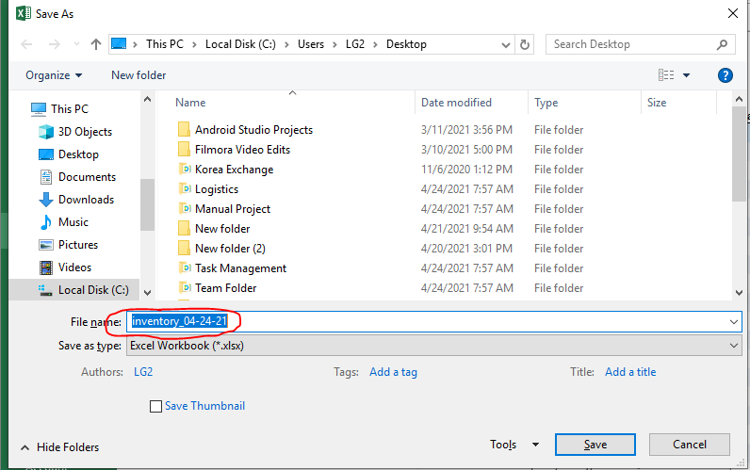


Step 7 : | After your saved it to desktop Open QUICK INVENTORY APPS/SOFTWARE to import your EXCEL FILE.

Step 8 : | After you open QUICK INVENTORY you need to CLEAR LIST first to remove the previous attachment or Imported Files.

Step 9 : | After Clearing your List you need to IMPORT POS FILE import EXCEL file from the QB POS Excel files you saved in your DESKTOP
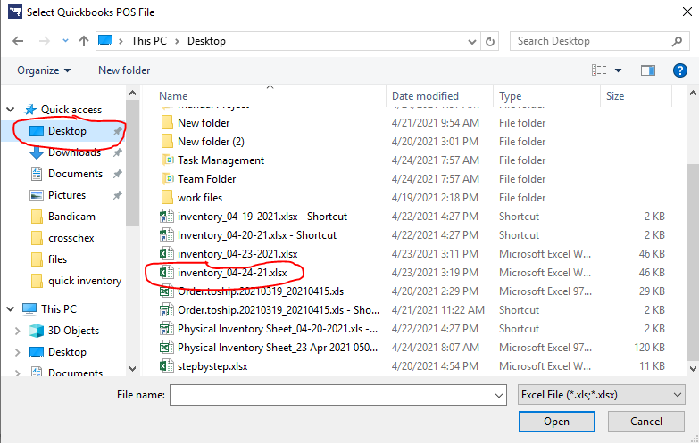

Step 10 : | After you input Inventory Excel File from your QB POS. Click the GENERATE MOBILE INVENTORY FILE and save it or Drag it to Desktop to Find it Easily.

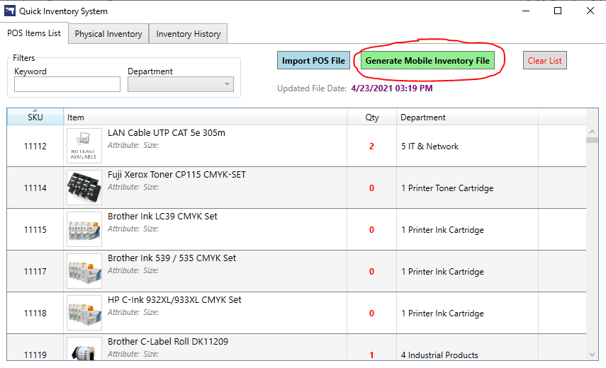

 | This is the sample of GENERATED PHYSICAL INVENTORY EXCEL FILE from Quick Inventory Software.

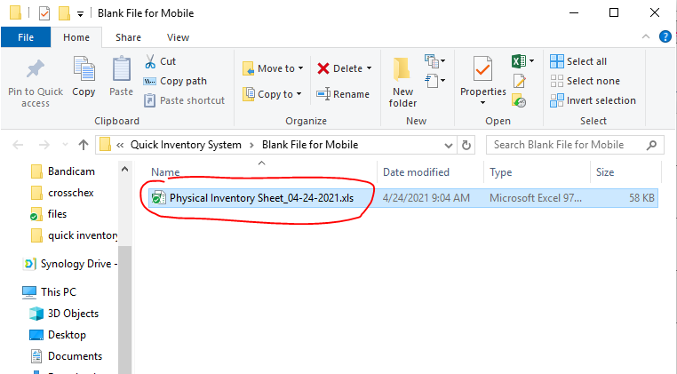

Step 11 : | Next step is you need to save to our Company Phone/ Phone with Installed Quick Inventory Apps to Proceed to your Inventory

 | Look for HUAWEI NOVA 3i then open INTERNAL STORAGE and save it to anywhere you want to save for Sample in DOWNLOAD FOLDER
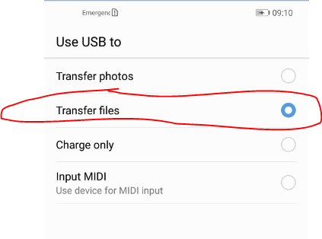
 | Select TRANSFER FILES in Mobile Popped up in your Mobile Phone.

Step 12 : | Open QUICK INVENTORY APPS in Mobile Phone.

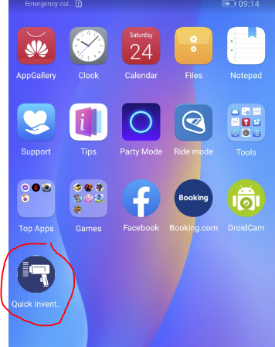

Step 13 : | After your open QUICK INVENTORY APPS in your Mobile Select RESET INVENTORY DATA to avoid any problems while conducting Inventory
 |  |  | Then proceed to INVENTORY TAB
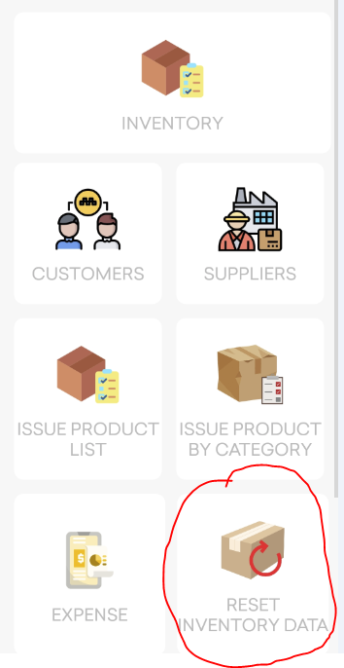


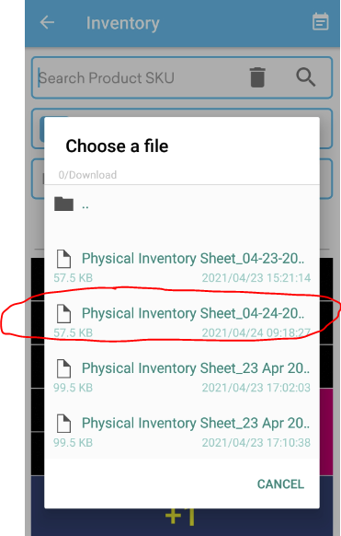
Step 14 : | Open the Calendar Liked Logo in the TOP RIGHT SIDE then Click IMPORT FROM EXCEL then Select the one you saved from PC to your Phone
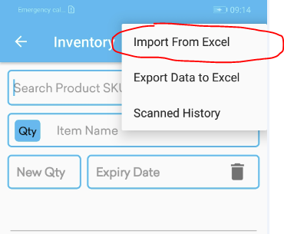

Step 15 : | After you Import the Excel file from your PC. Check your Scanner Via Phone Camera or Using Barcode Scanner attached in your Phone.
 | Via Phone Camera is another way of Scanning barcode in different items with Barcodes.

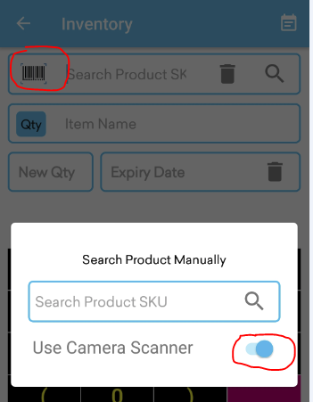

 |  |  |  | Just click On or Off the Camera Scanner until it appear in Side of Search Product SK
 |  |  |  | Then click the SCANNER LOGO beside search SKU then proceed in Scanning.

 |  |  |  | But when you are using Barcode Scanner attachment in your Mobile.
 |  |  |  | You just need to Scan it and Put Actual Physical Counting.

 |  |  |  | BARCODE of item attached in Items or Have Signage in front of the Items.

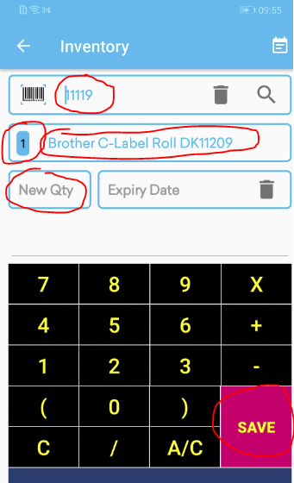
Step 16 : | After you SCAN the barcode you will see the SKU of the ITEM and Description of that Item and also the System Actual Quantity
 |  |  |  | You just need to Input NEW QTY then SAVE it then proceed to another item.

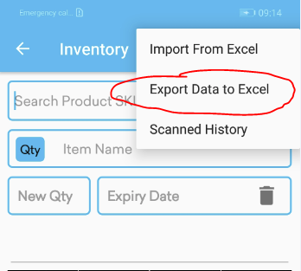
Step 17 : | If you are done in counting all items in WAREHOUSE you need to EXPORT DATE to EXCEL

Step 18 : | After you Save the Exported File you need to Connect again your Mobile to your PC and Transfer Exported Files to Desktop and Open again Quick Inventory
 |  | Go to PHYSICAL INVENTORY TAB and Select IMPORT PHYSICAL INVENTORY FILE FROM MOBILE.

Step 19 : | Then Check If you have Discrepancy in your Inventory. If you have Not Scanned item with Differrence and Tally items.

